Growth charts
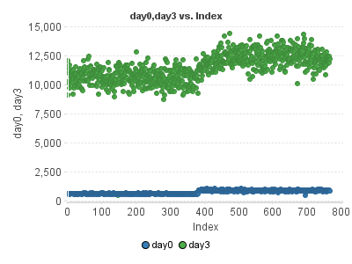

MSR
Fit_logConcentration vs. Fit_Response | SourceTag | MSR | Flag
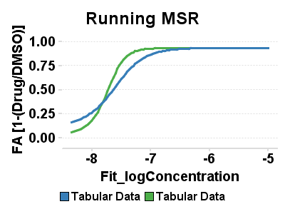 | Running | 1.6319109177
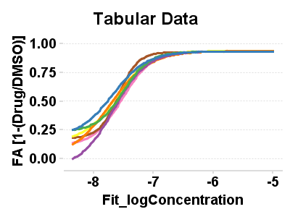 | 6) A2780ip2_run1_Tabular Data | 1.552157576
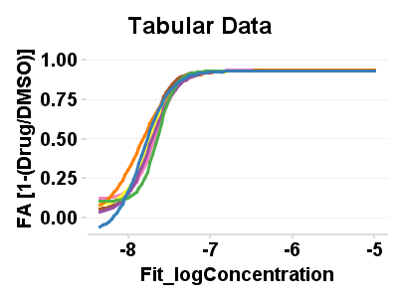 | 6) A2780ip2_run2_Tabular Data | 1.416107257

Running stats
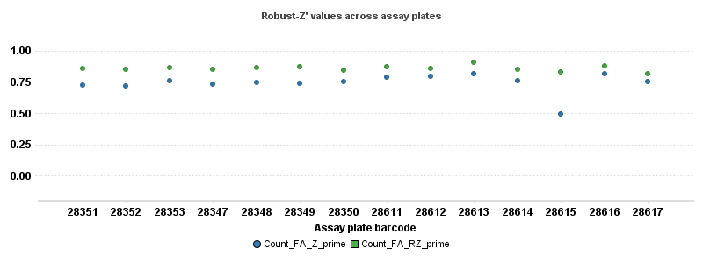 | 